FVP profile
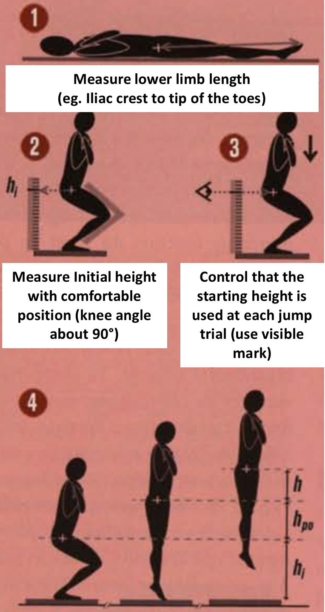
Date |  |  |  |  |  |  |  |  |  |  |  | BACK OFFICE DON'T MODIFY
Time |  |  | NAME |  |  | Body Mass (kg) :
 |  |  |  |  |  | Lower limb length (m) :
jean-benoit.morin@unice.fr |  |  | Firstname |  |  | Initial height Hi (m) : |  |  |  |  |  | alpha | 30 | 4.905
pierre.samozino@univ-savoie.fr |  |  |  |  |  | Push-off distance Hpo (m) : |  | 0
 |  |  |  |  |  |  |  |  |  |  |  | X | pente OPT | pente (% PenteOPT) | relation fv opt avec mm Pmax |  |  | b (F0) | V0
Condition (% BW) | Additional Mass (kg) | Total Mass (kg) | H Trial1 (m) | H Trial2 (m) | H Trial3 (m) | Hmax (m) | F (N) | V (m.s-1) | P (W) | r² | #DIV/0! | #DIV/0! | #DIV/0! | #DIV/0! | y=ax+b |  |  | #DIV/0! | #DIV/0!
 |  | 0.0 |  |  |  | 0 | #DIV/0! | 0.00 | #DIV/0! | r | #DIV/0! |  |  |  | 2 points | x | y
 |  | 0.0 |  |  |  | 0 | #DIV/0! | 0.00 | #DIV/0! | Fo (N) | #DIV/0! |  |  |  |  | 0.00 | #DIV/0!
 |  | 0.0 |  |  |  | 0 | #DIV/0! | 0.00 | #DIV/0! | Fo (N/kg) | #DIV/0! |  |  |  |  | #DIV/0! | #DIV/0!
 |  | 0.0 |  |  |  | 0 | #DIV/0! | 0.00 | #DIV/0! | Sfv (N.s/m) | #DIV/0!
 |  | 0.0 |  |  |  | 0 | #DIV/0! | 0.00 | #DIV/0! | Sfv (N.s/m/kg) | #DIV/0!
 |  |  |  |  |  |  |  |  |  | Vo (m/s) | #DIV/0! | alpha | 90 | 9.81
 |  |  |  |  |  |  |  |  |  | Pmax (W) | #DIV/0!
0.00 | 0.0
0.00 | 0.0
0.00 | 0.0
0.00 | 0.0
0.00 | 0.0
 |  |  |  |  |  |  |  |  |  | Pmax (W/kg) | #DIV/0! | X | pente OPT | pente (% PenteOPT) | relation fv opt avec mm Pmax |  |  | b (F0) | V0
0 |  |  |  |  |  |  |  |  |  | Sfv opt (N.s/m/kg) | #DIV/0! | #DIV/0! | #DIV/0! | #DIV/0! | y=ax+b |  |  | #DIV/0! | #DIV/0!
 |  |  | Fo (N/kg) |  | #DIV/0! |  |  |  |  |  |  |  |  |  | 2 points | x | y
 |  |  |  |  |  |  |  |  |  |  |  |  |  |  |  | 0.00 | #DIV/0!
 |  |  | Vo (m/s) |  | #DIV/0! |  |  |  |  |  |  |  |  |  |  | #DIV/0! | #DIV/0!

 |  |  | Pmax (W/kg) |  | #DIV/0!

 |  |  | Sfv (N.s/m/kg) |  | #DIV/0! |  |  |  |  |  |  |  |  |  |  | x | y
 |  |  |  |  |  |  |  |  |  |  |  |  |  |  |  | 0.0 | #DIV/0!
 |  |  |  |  | F-v Profile for 30° = |  |  |  |  |  |  |  |  |  |  | #DIV/0! | 0

 |  |  |  |  | #DIV/0!

 |  |  |  |  | of the optimal

 |  |  |  |  | #DIV/0!

 |  |  |  |  | F-v Profile for 90° =

 |  |  |  |  | #DIV/0!

 |  |  |  |  | of the optimal

 |  |  |  |  | #DIV/0!

SCIENTIFIC BASES: | ABSTRACTS BELOW, free Download via these links

Samozino et al. 2008 | https://www.researchgate.net/publication/23254945_A_simple_method_for_measuring_force_velocity_and_power_output_during_squat_jump
Samozino et al. 2010 | https://www.researchgate.net/publication/41172792_Jumping_ability_A_theoretical_integrative_approach
Samozino et al. 2012 | https://www.researchgate.net/publication/51508458_Optimal_Force-Velocity_Profile_in_Ballistic_Movements-Altius
Samozino et al. 2014 | https://www.researchgate.net/publication/258522939_Force-Velocity_Profile_Imbalance_Determination_and_Effect_on_Lower_Limb_Ballistic_Performance
Samozino et al. 2016 | https://www.researchgate.net/publication/287995954_Interpreting_Power-Force-Velocity_Profiles_for_Individualized_and_Specific_Training

